Ведомость превышений
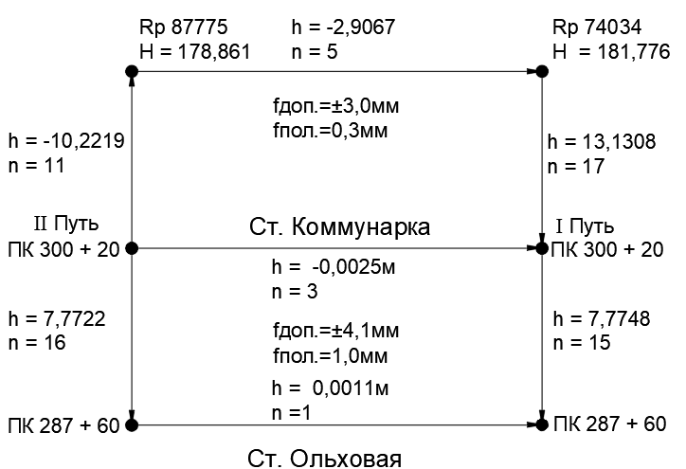
Ведомость превышений
ПЧ-1 | перегон | Коммунарка - Ольховая
 | I путь |  |  | II путь
N п/п | Пикетаж | h, м | N п/п | Пикетаж | h, м
Дата | 2023-03-22 |  | Дата | 2024-03-23
1 | 0300+20 |  | 1 | Rp 87775
2 | Rp 74034 | 13.1308 | 2 | 0300+20 | -10.2219
3 | Rp 87775 | -2.9067 | 3 | 0300+20 1й путь | -0.0025
Сумма |  | 10.2241 | Сумма |  | -10.2244

Выполнил инженер ОГ Сурков А.В.
 | Электронный полевой журнал сдал
 | Электронный полевой журнал принял

